1-Vissim - Time Headway
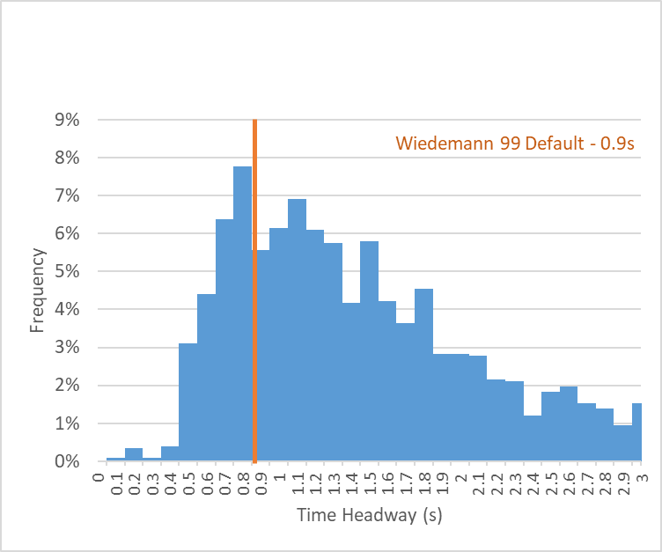
Recommended Range:
0.7-1.6
Vissim W99: cc1 - Time Headway |  | 0.1
Default Value | 0.9s | Interval | % of Headways | Cummulative % |  |  | Vissim Distribution
Recommended Range | 0.7s - 1.6s | 0 | 0.4% | 0.4% | Average Headway |  | Headway | %
 |  | 0.1 | 0.2% | 0.6% | Time (s) | 1.3 | 0.80 | 0%
 |  | 0.2 | 0.5% | 1.1% | Distance (ft) | 124.2 | 0.89 | 20%
 |  | 0.3 | 2.1% | 3.2% |  |  | 1.00 | 40%
 |  | 0.4 | 4.2% | 7.3% |  |  | 1.08 | 60%
 |  | 0.5 | 5.5% | 12.8% | Mean | 1.3 | 1.18 | 80%
 |  | 0.6 | 7.6% | 20.4% | Median | 1.15 | 1.30 | 100%
 |  | 0.7 | 7.1% | 27.6% | Mode | 0.60
 |  | 0.8 | 6.8% | 34.3% | Q1 | 0.70
 |  | 0.9 | 5.8% | 40.1% | Q3 | 1.60
 |  | 1 | 7.0% | 47.1%
 |  | 1.1 | 6.0% | 53.1% | Standard Deviation | 0.66
 |  | 1.2 | 5.2% | 58.3% | +1 SD | 1.81
 |  | 1.3 | 5.1% | 63.4% | -1 SD | 0.49
 |  | 1.4 | 3.8% | 67.2%
 |  | 1.5 | 4.0% | 71.2%
 |  | 1.6 | 3.9% | 75.2%
 |  | 1.7 | 3.7% | 78.8%
 |  | 1.8 | 2.6% | 81.4%
 |  | 1.9 | 2.6% | 84.1%
 |  | 2 | 2.5% | 86.6%
 |  | 2.1 | 1.7% | 88.3%
 |  | 2.2 | 2.0% | 90.3%
 |  | 2.3 | 1.6% | 91.8%
 |  | 2.4 | 1.7% | 93.5%
 |  | 2.5 | 1.3% | 94.8%
 |  | 2.6 | 1.3% | 96.1%
 |  | 2.7 | 1.2% | 97.3%
 |  | 2.8 | 1.5% | 98.8%
 |  | 2.9 | 1.2% | 100.0%
 |  | 3 | 0.0% | 100.0%

1-TM - Time Headway
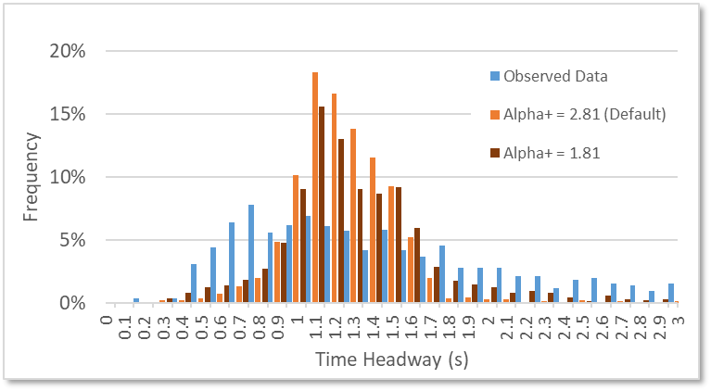
Modified General Motors Driving Behavior Parameters
 | Alpha + | Beta + | Gamma + | Theta + | Alpha - | Beta - | Gamma - | Theta -
Default | 2.81 | -1.67 | -0.89 | 1 | 4.65 | 1.08 | 1.65 | 1
Recommended | 2.81- 1.81 | -1.67 | -0.89 | 1 | 4.65 | 1.08 | 1.65 | 1

3-Vissim - Standstill Distance
Software Default Values |  |  |  |  | URBAN
 | Vissim – Wiedemann 74 |  |  |  |  |  | Dist 1 | Dist 2 | Dist 3 |  | Combined Dist
 |  |  |  |  |  |  | 40.0% | 35.0% | 25.0% | 100%
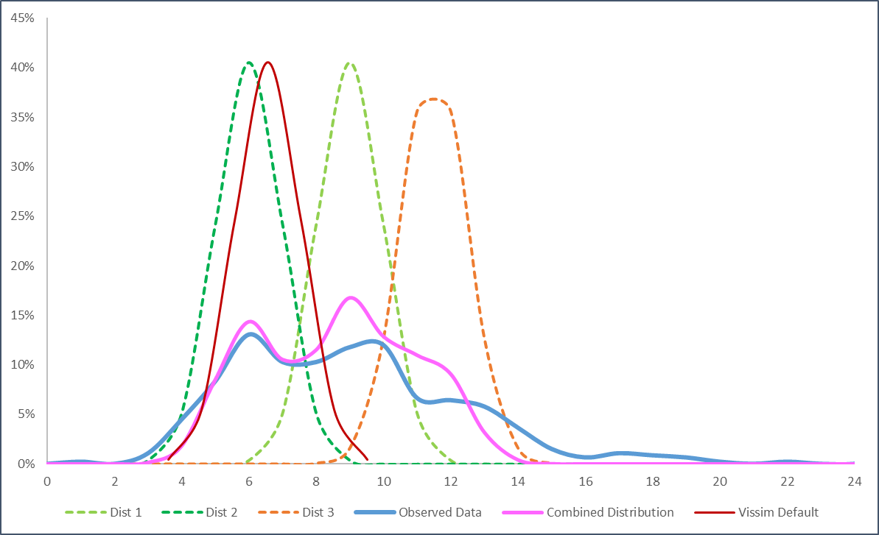
Average (ft.) | 6.56 |  |  |  |  | Avg | 9 | 6 | 11.5 |  | 9.00
Standard Deviation | 0.98* |  |  | 0.98 |  | SD | 0.98 | 0.98 | 0.98
Minimum (ft.) | 3.281 |  |  |  | Distance (ft) | 0 | 0.00 | 0.00 | 0.00 |  | 0.00
Maximum (ft.) | 9.843 |  |  |  |  | 1 | 0.00 | 0.00 | 0.00 |  | 0.00
Recommended Values - Urban |  |  |  |  |  | 2 | 0.00 | 0.00 | 0.00 |  | 0.00
 | Vissim – Wiedemann 74 |  |  |  |  | 3 | 0.00 | 0.00 | 0.00 |  | 0.00
 | 3 Distributions |  |  |  |  | 4 | 0.00 | 0.05 | 0.00 |  | 0.02
 | Dist. 1 (35%) | Dist. 2 (40%) | Dist. 3 (25%) |  |  | 5 | 0.00 | 0.24 | 0.00 |  | 0.08
Average (ft.) | 6 | 9 | 11.5 |  |  | 6 | 0.00 | 0.41 | 0.00 |  | 0.14
Standard Deviation | 0.98* |  |  |  |  | 7 | 0.05 | 0.24 | 0.00 |  | 0.10
Minimum (ft.) | 2.719 | 5.719 | 8.219 |  |  | 8 | 0.24 | 0.05 | 0.00 |  | 0.11
Maximum (ft.) | 9.281 | 12.281 | 14.781 |  |  | 9 | 0.41 | 0.00 | 0.02 |  | 0.17
Recommended Values – Rural |  |  |  |  |  | 10 | 0.24 | 0.00 | 0.13 |  | 0.13
 | Vissim – Wiedemann 74 |  |  |  |  | 11 | 0.05 | 0.00 | 0.36 |  | 0.11
 | 3 Distributions |  |  |  |  | 12 | 0.00 | 0.00 | 0.36 |  | 0.09
 | Dist. 1 (35%) | Dist. 2 (40%) | Dist. 3 (25%) |  |  | 13 | 0.00 | 0.00 | 0.13 |  | 0.03
Average (ft.) | 7 | 10 | 13.5 |  |  | 14 | 0.00 | 0.00 | 0.02 |  | 0.00
Standard Deviation | 0.98* |  |  |  |  | 15 | 0.00 | 0.00 | 0.00 |  | 0.00
Minimum (ft.) | 3.719 | 6.719 | 10.219 |  |  | 16 | 0.00 | 0.00 | 0.00 |  | 0.00
Maximum (ft.) | 10.281 | 13.281 | 16.781 |  |  | 17 | 0.00 | 0.00 | 0.00 |  | 0.00
*Standard Deviation is a fixed value in Vissim for standstill distance |  |  |  |  |  | 18 | 0.00 | 0.00 | 0.00 |  | 0.00
 |  |  |  |  |  | 19 | 0.00 | 0.00 | 0.00 |  | 0.00
 |  |  |  |  |  | 20 | 0.00 | 0.00 | 0.00 |  | 0.00
 |  |  |  |  |  | 21 | 0.00 | 0.00 | 0.00 |  | 0.00
 |  |  |  |  |  | 22 | 0.00 | 0.00 | 0.00 |  | 0.00
 |  |  |  |  |  | 23 | 0.00 | 0.00 | 0.00 |  | 0.00
 |  |  |  |  |  | 24 | 0.00 | 0.00 | 0.00 |  | 0.00
 |  |  |  |  |  | 25 | 0.00 | 0.00 | 0.00 |  | 0.00

 |  |  |  |  | RURAL
 |  |  |  |  |  |  | Dist 1 | Dist 2 | Dist 3 |  | Combined Dist
 |  |  |  |  |  |  | 40.0% | 35.0% | 25.0% | 100%
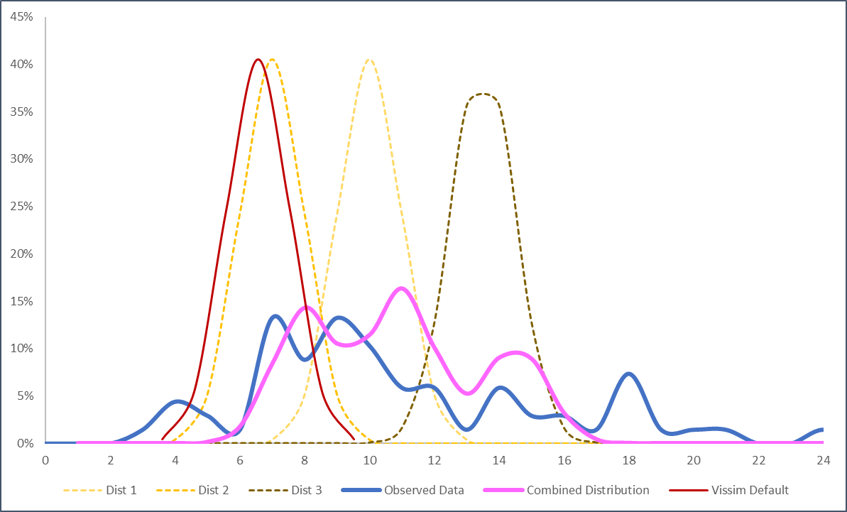
 |  |  |  |  |  | Avg | 10 | 7 | 13.5 |  | 10.00
 |  |  |  |  |  | SD | 0.98 | 0.98 | 0.98
 |  |  |  |  | Distance (ft) | 0 | 0.00 | 0.00 | 0.00 |  | 0.00
 |  |  |  |  |  | 1 | 0.00 | 0.00 | 0.00 |  | 0.00
 |  |  |  |  |  | 2 | 0.00 | 0.00 | 0.00 |  | 0.00
 |  |  |  |  |  | 3 | 0.00 | 0.00 | 0.00 |  | 0.00
 |  |  |  |  |  | 4 | 0.00 | 0.00 | 0.00 |  | 0.00
 |  |  |  |  |  | 5 | 0.00 | 0.05 | 0.00 |  | 0.00
 |  |  |  |  |  | 6 | 0.00 | 0.24 | 0.00 |  | 0.00
 |  |  |  |  |  | 7 | 0.00 | 0.41 | 0.00 |  | 0.00
 |  |  |  |  |  | 8 | 0.05 | 0.24 | 0.00 |  | 0.05
 |  |  |  |  |  | 9 | 0.24 | 0.05 | 0.00 |  | 0.24
 |  |  |  |  |  | 10 | 0.41 | 0.00 | 0.00 |  | 0.41
 |  |  |  |  |  | 11 | 0.24 | 0.00 | 0.02 |  | 0.24
 |  |  |  |  |  | 12 | 0.05 | 0.00 | 0.13 |  | 0.05
 |  |  |  |  |  | 13 | 0.00 | 0.00 | 0.36 |  | 0.00
 |  |  |  |  |  | 14 | 0.00 | 0.00 | 0.36 |  | 0.00
 |  |  |  |  |  | 15 | 0.00 | 0.00 | 0.13 |  | 0.00
 |  |  |  |  |  | 16 | 0.00 | 0.00 | 0.02 |  | 0.00
 |  |  |  |  |  | 17 | 0.00 | 0.00 | 0.00 |  | 0.00
 |  |  |  |  |  | 18 | 0.00 | 0.00 | 0.00 |  | 0.00
 |  |  |  |  |  | 19 | 0.00 | 0.00 | 0.00 |  | 0.00
 |  |  |  |  |  | 20 | 0.00 | 0.00 | 0.00 |  | 0.00
 |  |  |  |  |  | 21 | 0.00 | 0.00 | 0.00 |  | 0.00
 |  |  |  |  |  | 22 | 0.00 | 0.00 | 0.00 |  | 0.00
 |  |  |  |  |  | 23 | 0.00 | 0.00 | 0.00 |  | 0.00
 |  |  |  |  |  | 24 | 0.00 | 0.00 | 0.00 |  | 0.00
 |  |  |  |  |  | 25 | 0.00 | 0.00 | 0.00 |  | 0.00

3-TM - Standstill Distance
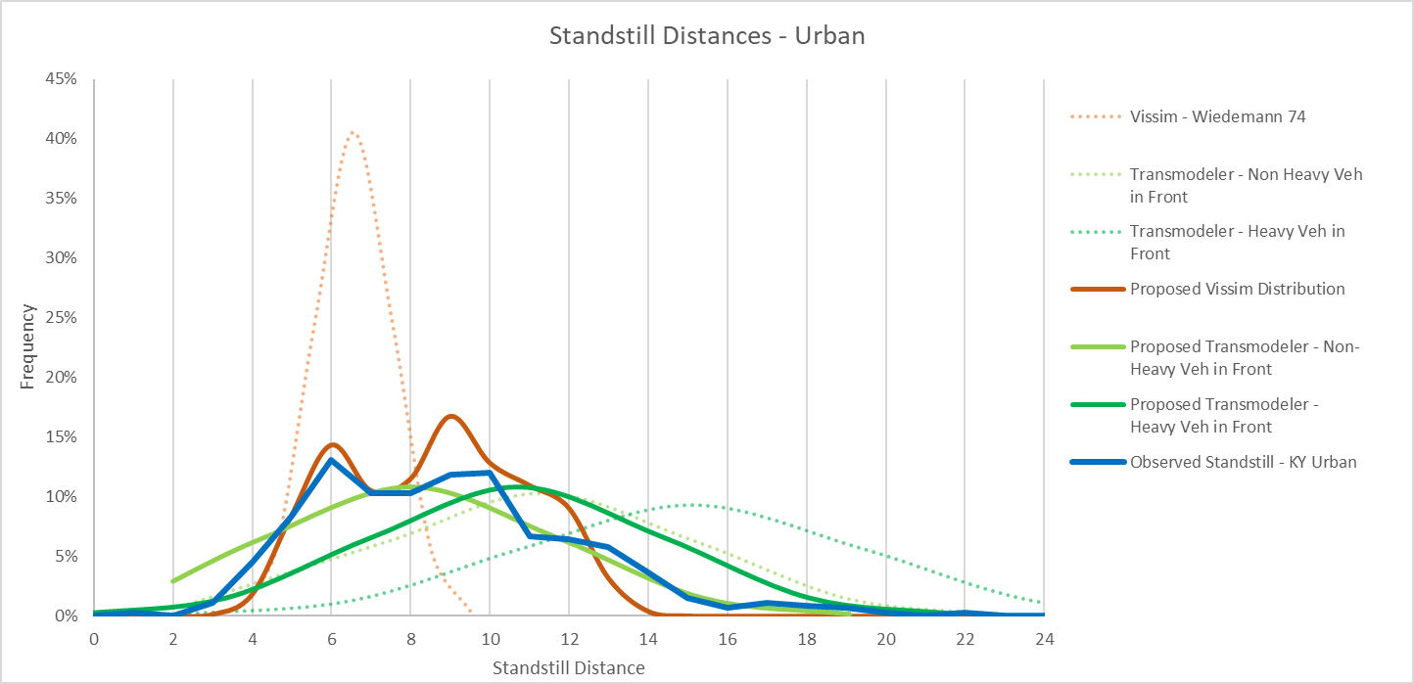
Software Default Values
 | TransModeler
 | Passenger Veh | Heavy Veh
Average (ft.) | 11.3 | 15.1
Standard Deviation | 3.9 | 4.3
Minimum (ft.) | 2 | 2
Maximum (ft.) | - | -
Recommended Values - Urban
 | TransModeler
 | Passenger Veh | Heavy Veh
Average (ft.) | 9 | 12
Standard Deviation | 3.7 | 4
Minimum (ft.) | 2 | 2
Maximum (ft.) | - | -
Recommended Values – Rural
 | TransModeler
 | Passenger Veh | Heavy Veh
Average (ft.) | 11 | 12
Standard Deviation | 3.7 | 4
Minimum (ft.) | 2 | 2
Maximum (ft.) | - | -

4-Vissim - Acceleration
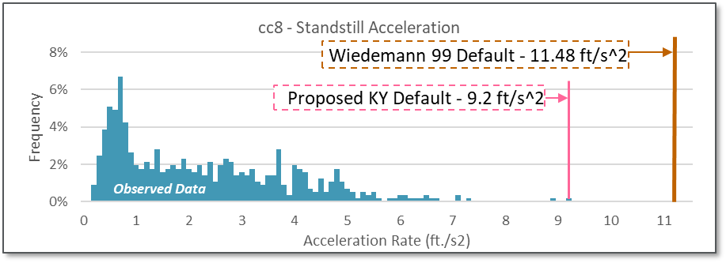
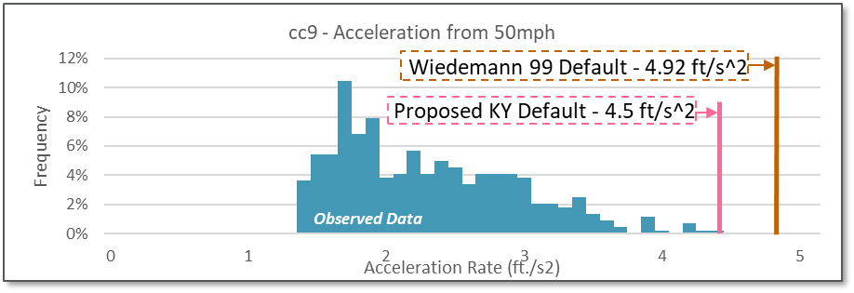
 | Default Values | Recommended Values
Acceleration from Standstill (cc8) | 11.98 ft./s2 | 9.2 ft./s2
Acceleration from 50mph (cc9) | 4.92 ft./s2 | 4.5 ft./s2

4-TM - Acceleration
Normal Acceleration |  |  |  |  |  |  | Max Acceleration
Default Values |  |  | Recommended Values |  |  |  | MPR | <10 | 10-20 | 20-30 | 30-40 | 40-50 | >50
% of Vehicles | Alpha | Beta | % of Vehicles | Alpha | Beta | Car | 25 | 13.22 | 11.32 | 9.45 | 7.55 | 5.68 | 3.77 | 8.50
20% | 0 | 1.1 | 10% | 0 | 1.1 | Car | 30 | 11.29 | 9.68 | 8.07 | 6.46 | 4.82 | 3.22 | 7.26
60% | 0 | 1 | 30% | 0 | 1 |  | 35 | 9.88 | 8.46 | 7.05 | 5.64 | 4.23 | 2.82 | 6.35
20% | 0 | 0.95 | 20% | 0 | 0.9 | SU | 100 | 4.2 | 3.61 | 3.02 | 2.4 | 1.8 | 1.21 | 2.71
 |  |  | 20% | 0 | 0.88 | Semi | 201 | 2.76 | 2.36 | 1.97 | 1.57 | 1.18 | 0.79 | 1.77
 |  |  | 20% | 0 | 0.75 |  | 299 | 2.26 | 1.94 | 1.61 | 1.28 | 0.98 | 0.66 | 1.46
 |  |  |  |  |  |  | 399 | 2.13 | 1.84 | 1.51 | 1.21 | 0.92 | 0.62 | 1.37

 |  |  |  |  |  |  | 35/25 Ratio | 0.75 | 0.75 | 0.75 | 0.75 | 0.74 | 0.75
 |  |  |  |  |  |  | 35/30 Ratio | 0.88 | 0.87 | 0.87 | 0.87 | 0.88 | 0.88

 |  |  |  |  |  |  | Avg | 0.81 | 0.81 | 0.81 | 0.81 | 0.81 | 0.81

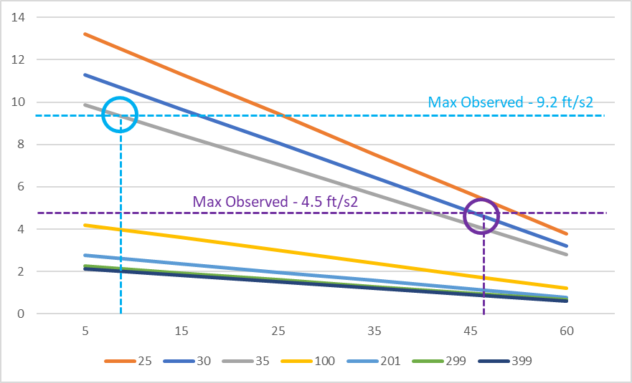

Based on the graph it seems that the MPR-35 class more closely aligns with the observed values - so as most passenger cars will be in the 25/30 categories it might be best to apply a Beta factor to recreate that type of behavior in the 25/30 classes.
 |  |  |  |  |  |  |  |  |  |  |  |  |  |  | Normal Acceleration [Proposed Modifications]
 |  |  |  |  |  |  |  |  |  |  |  |  |  |  | % of Vehicles | Alpha | Beta
 |  |  |  |  |  |  |  |  |  |  |  |  |  |  | 10 | 0 | 1.1
 |  |  |  |  |  |  |  |  |  |  |  |  |  |  | 30 | 0 | 1
 |  |  |  |  |  |  |  |  |  |  |  |  |  |  | 20 | 0 | 0.9
 |  |  |  |  |  |  |  |  |  |  |  |  |  |  | 20 | 0 | 0.88
 |  |  |  |  |  |  |  |  |  |  |  |  |  |  | 20 | 0 | 0.75

5-Vissim - Deceleration
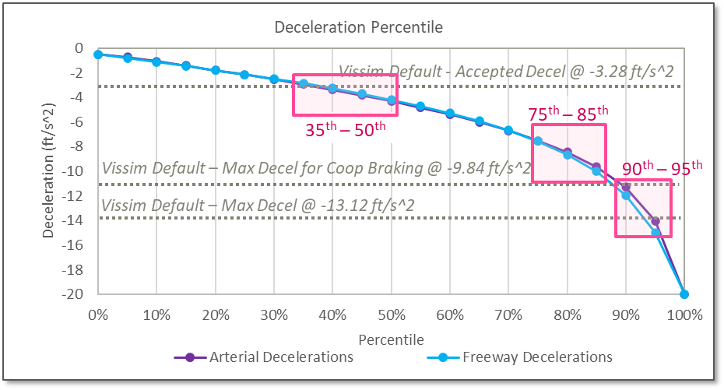
Vissim Lane Change Deceleration Defaults
Default Values
 | W74 |  | W99
 | Own | Trailing | Own | Trailing
Max Deceleration (ft./s2) | -13.12 | -9.84 | -13.12 | -9.84
Accepted Deceleration (ft./s2) | -3.28 | -3.28 | -3.28 | -1.64
Max Deceleration for Cooperative Braking (ft./s2) | -9.84 |  | -9.84
Recommended Values (Accepted Ranges)
 | W74 |  | W99
 | Own | Trailing | Own | Trailing
Max Deceleration (ft./s2) | -12.67 | -9.5 | -13.47 | -10.1
 | (-11.30 to -14.03) | (-8.48 to -10.52) | (-11.95 to -15.00) | (-8.96 to -11.25)
Accepted Deceleration (ft./s2) | -3.61 | -3.61 | -3.51 | -1.76
 | (-2.95 to -4.31) | (-2.95 to -4.31) | (-2.86 to -4.19) | (-1.43 to -2.10)
Max Deceleration for Cooperative Braking (ft./s2) | -8.54 |  | -8.76
 | (-7.52 to -9.65) |  | (-7.57 to -10.04)
All deceleration values are in ft./s2

8-Vehicle Classification
Use the orange cells to input the project specific traffic breakdown for more tailored vehicle composition percentages
 |  |  |  | INPUT↓
 |  |  | Passenger Cars | 98% |  |  |  |  | Truck Percentage Lookup
 |  |  | Heavy Vehicles | 2% |  |  |  |  |  | SU | TT
 |  |  | Project Area Roadway Type |  |  |  |  |  | KY Route | 62% | 38%
 |  |  | Sum Check | 100% |  |  |  |  | US Hwy | 59% | 41%
 |  |  |  |  |  |  |  |  | Interstate | 28% | 72%
 | Vissim |  |  |  | Transmodeler
 |  | Initial % | Description | Revised % |  | Initial % | Description | Revised %
 | Car |  |  |  | Car
 |  | 12.9% | 1001: Car - Honda Accord | 12.6% | 0.005 | 0.5% | Buses | 0.5%
 |  | 6.0% | 1002: Car - Nissan Altima | 5.9% | 0.000 | 0.0% | Motorcycles | 0.0%
 |  | 6.4% | 1003: Car - Nissan Quest | 6.3% | 0.052 | 5.5% | Passenger Cars - High Performance | 5.4%
 |  | 5.5% | 1004: Car - Plymouth Voyager | 5.4% | 0.206 | 21.9% | Passenger Cars - Middle Performance | 21.4%
 |  | 13.5% | 1005: Car - Toyota Avensis | 13.2% | 0.159 | 16.8% | Passenger Cars - Low Performance | 16.5%
 |  | 10.6% | 1006: SUV - Ford Explorer | 10.4% | 0.522 | 55.3% | Pickups/SUVs | 54.2%
 |  | 5.0% | 1007: SUV - GMC Yukon | 4.9%
 |  | 5.8% | 8: SUV - Jeep Grand Cherokee | 5.7%
 |  | 19.2% | 12: LtTruck - Ford F150 | 18.8%
 |  | 15.1% | 11: LtTruck - Chevrolet Silverado | 14.8%
 |  | 100% |  |  |  | 100%

 | HGV |  |  |  | HGV
TT |  | 10.5% | 1021: HGV - US AASHTO WB-40 | 0.2% | 0.030 | 92.7% | Single Unit Trucks | 1.9%
TT |  | 48.0% | 22: HGV - US AASHTO WB-50 | 1.0% | 0.002 | 7.3% | Trailer Trucks | 0.1%
TT |  | 4.5% | 23: HGV - US AASHTO WB-65 | 0.1%
TT |  | 4.5% | 24: HGV - US AASHTO WB-67 | 0.1%
SU |  | 5.0% | 25: HGV - Flatbed | 0.1%
SU |  | 27.5% | 26: HGV - EU 04 | 0.6%
 |  | 100% |  |  |  | 100%
 |  |  |  | 100% |  |  |  | 100%

9-Vissim - HGV WtoP
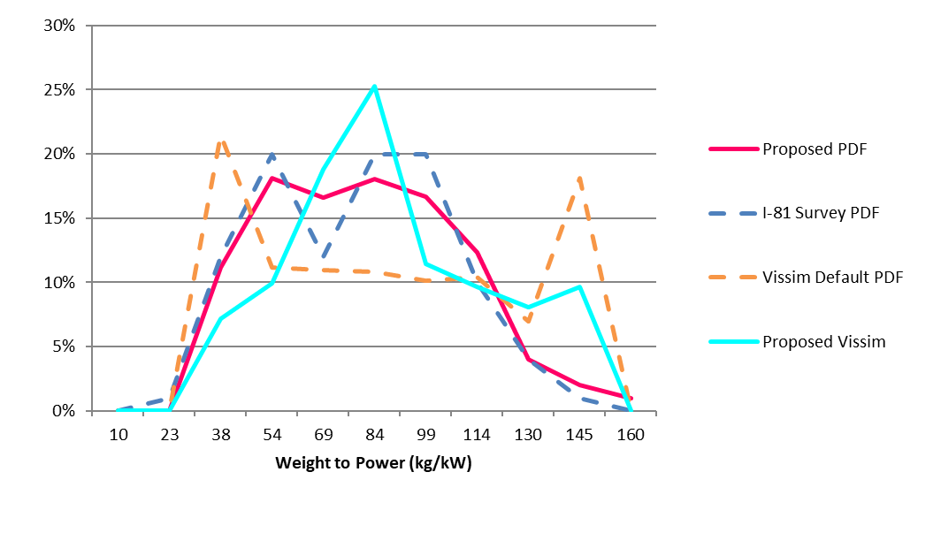
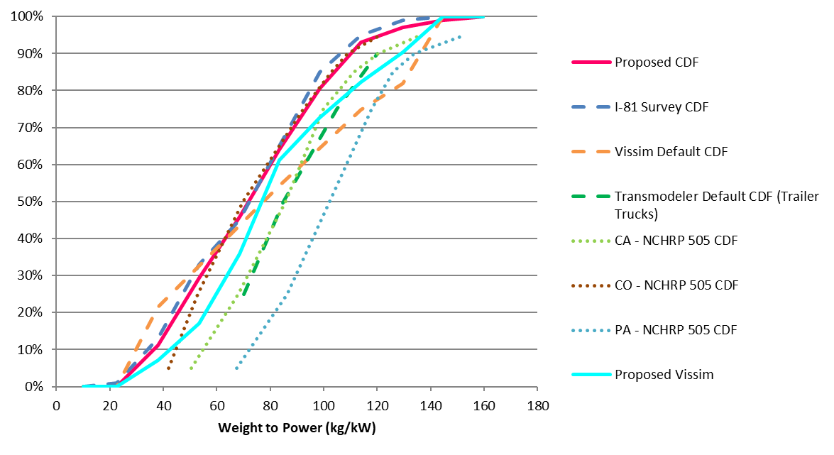
 |  |  | Vissim
Midpoint Low | Midpoint High | Weight to Power Ratio | Proposed Cumulative Distribution Function (CDF) | Proposed Percentile Distribution Function (PDF)
5 | 15 | 10 | 0% | 0%
15 | 30 | 22.5 | 0% | 0% | Default and Proposed Heavy Vehicle Weight and Power Distributions |  | Default and Proposed Heavy Vehicle Weight-to-Power Probability Distribution Function
30 | 46 | 38 | 7% | 7%
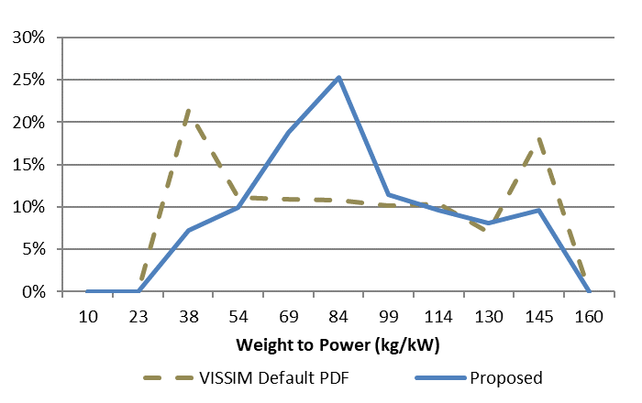
46 | 61 | 53.5 | 17% | 10%
61 | 76 | 68.5 | 36% | 19%
76 | 91 | 83.5 | 61% | 25%
91 | 106 | 98.5 | 73% | 11%
106 | 122 | 114 | 82% | 10%
122 | 137 | 129.5 | 90% | 8%
137 | 152 | 144.5 | 100% | 10%
152 | 167 | 159.5 | 100% | 0%

 |  |  |  |  | Default and Proposed Weight-to-Power Ratios as compared with TransModeler and other research studies.

 |  |  |  |  | Probability Distribution Functions | Cumulative Distribution Functions

