Instructions
Recurring Form Template

Form Features
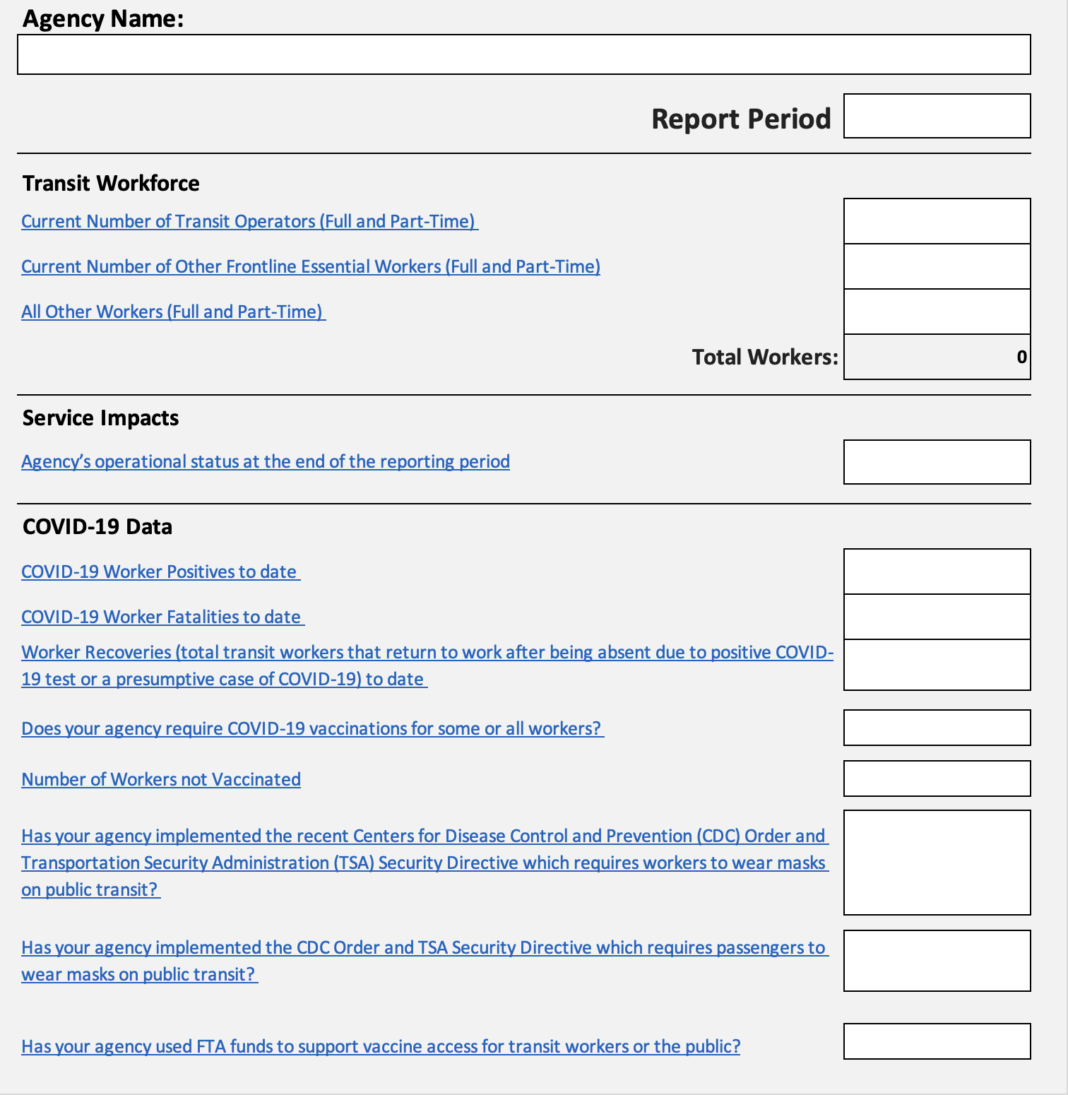
Free field for subrecipient response

Drop down menu

Free field for subrecipient response

Free field for subrecipient response

Free field for subrecipient response

Drop down menu

Click on any of the hyperlinks in the Form tab to view a definition in the Data Dicitonary tab
Free field for subrecipient response

Free field for subrecipient response
Free field for subrecipient response

Free field for subrecipient response

Drop down menu

Drop down menu

Drop down menu

Drop down menu

The following section is only visible if you select "Yes" for the question above.

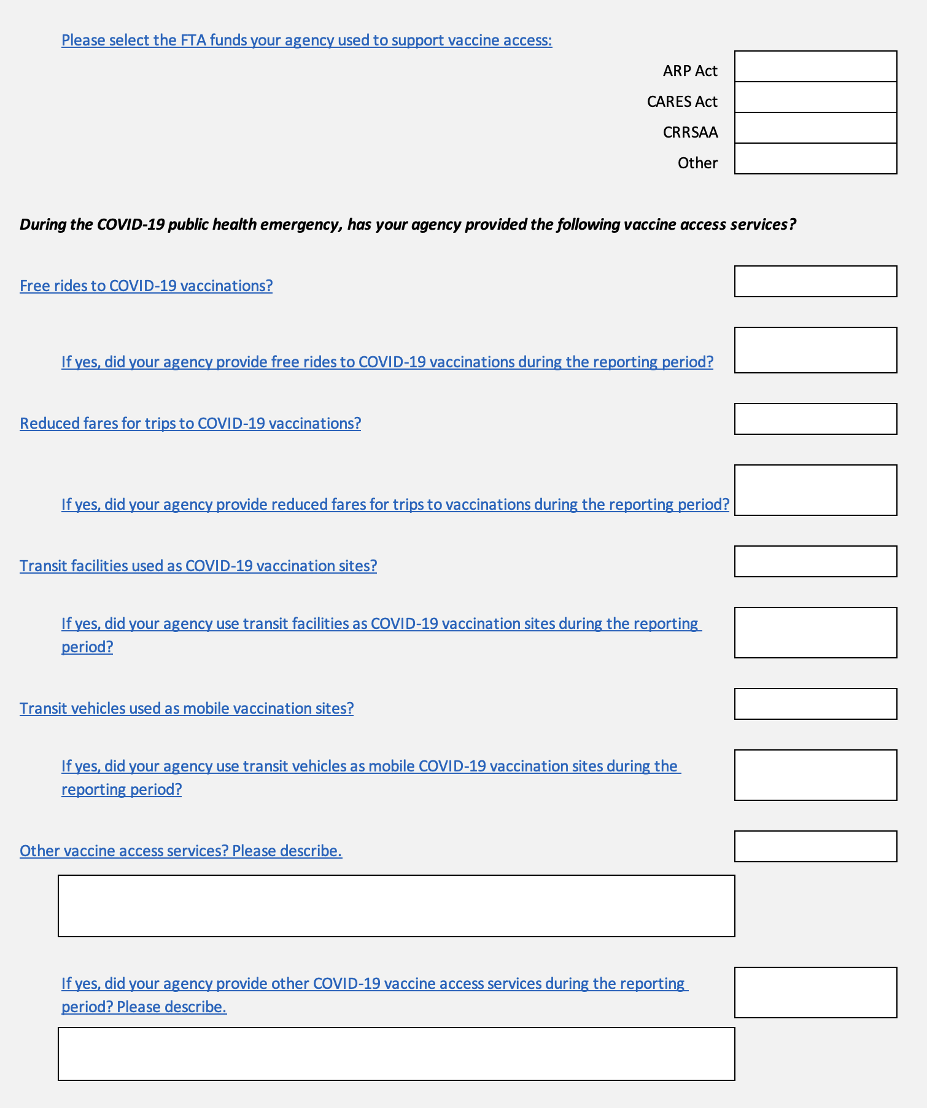

Drop down menu
Drop down menu
Drop down menu

Drop down menu

Drop down menu

Drop down menu

Drop down menu

Drop down menu

Drop down menu

Drop down menu

Drop down menu

Drop down menu

Drop down menu

Free field for subrecipient response

Drop down menu

Free field for subrecipient response

The contents of this document do not have the force and effect of law and are not meant to bind the public in any way. This document is intended only to provide clarity to the public regarding existing requirements under the law or agency policies. Grantees and subgrantees should refer to FTA’s statutes and regulations for applicable requirements.

Recurring Form Template, Version 5

